Form Instructions
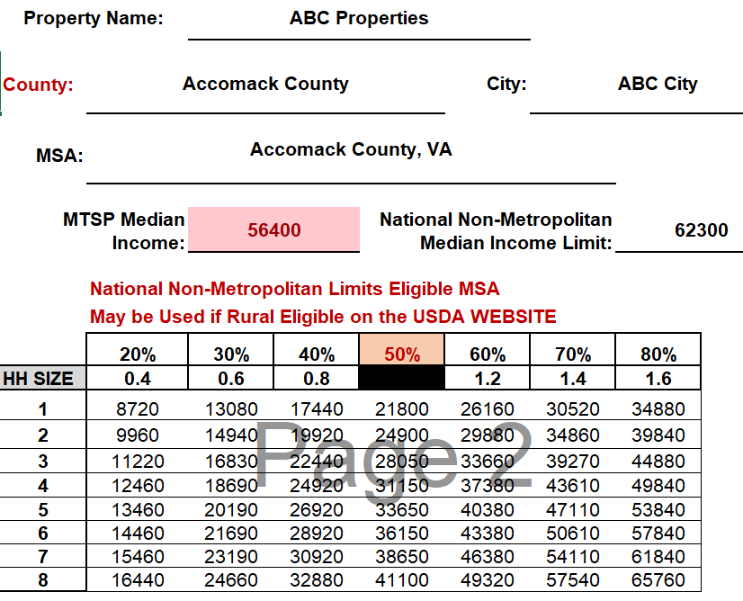
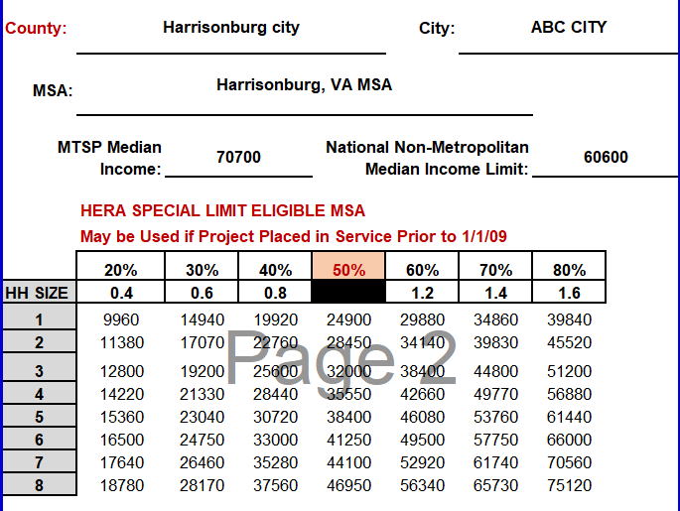
The form only allows information to be entered in the highlighted areas. The County section is the only highlighted section that must be completed

Click in the "Select County" box to find your property location.

Type in text to see location options. Use the dropdown arrow to see a list of locations, or use the down arrow on your keyboard to go through the areas in the list.

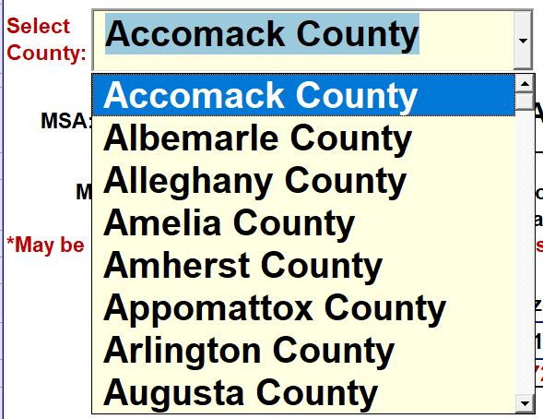

Once the location is selected, the form will populate the Median Income Limit and the National Non-Metropolitan Income Limit.

If the Area Median Income Limit is less than the National Non-Metropolitan Income Limit, the limit will appear highlighted on the form.

NOTE: The National Non-Metropolitan limits cannot be applied in a project without confirmation that the project is located in a rural area on the USDA Eligibility website. These areas are subject to change.

The form also includes the approved Not Adjusted for Family Size (not-AFS) Virginia Housing Loan Program Income Limits for the selected area

The calculated MTSP income limits for the area selected in the County section of the form will appear using the calculation factors applied to the published 50% limit to determine the applicable 20%, 30%, 40%, 60%, 70% and 80% MTSP income limits.

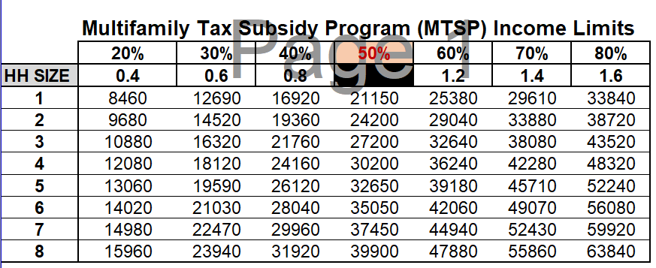

This section is used to apply the utility allowances for each bedroom size. Any information entered in this section will reduce the calculated gross rent in all applicable rent charts.

Page 2 cannot be edited

The form populates the National Non-Metropolitan Income Limits or the HERA Special Limits for eligible areas on a separate page. This form is auto populated from the information on the first page and cannot be edited.

If your property is not in an eligible area, this page will be blank, and only page 1 should be printed with the current MTSP limits for the area.

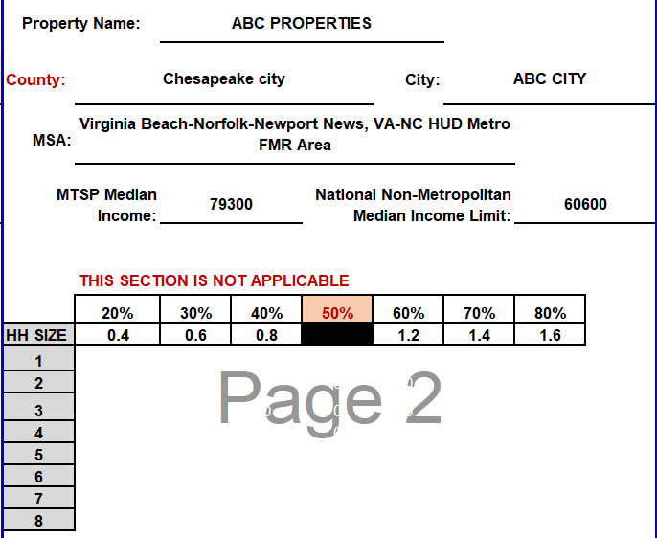

If your property is located in an eligible area, the applicable National Non-Metropolitan limits or HERA Special income and rent limits will be automatically populated.

