Cover
 |  | VERSION CONTROL
 |  |  | Date Posted to VirginiaHousing.com
 |  | Version# |  | Reason
 |  | 2024.1 | 2023-12-19 | New Reservation Application
2024 Federal Low Income Housing |  | 2024.2 | 2024-02-05 | Corrections needed for ASH deals
Tax Credit Program

Application For Reservation

Deadline for Submission
9% Competitive Credits
Applications Must Be Received At Virginia Housing No Later Than 12:00 PM Richmond, VA Time On March 14, 2024
Tax Exempt Bonds
Applications must be received at Virginia Housing No Later Than 12:00 PM Richmond, VA Time for one of the two available 4% credit rounds- January 25, 2024 or July 18, 2024.

 |  | LEGEND

 |  |  | Indicates value selected from drop down list

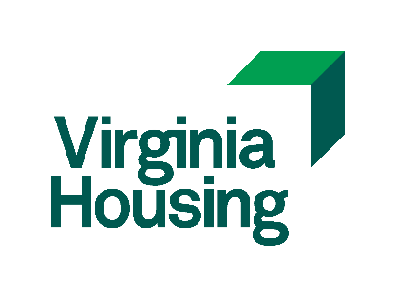

 | Virginia Housing
 | 601 South Belvidere Street
 | Richmond, Virginia 23220-6500

