Schedule A
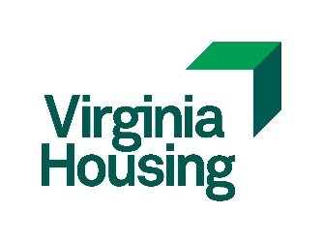
 |  |  |  | Development Name:
 |  |  |  | Name of Applicant:

INSTRUCTIONS:
1 | A Schedule A is required for every individual that makes up the GP or Managing Member - does not apply to principals of publicly traded corporations.
2 | For each property for which an uncorrected 8823 has been issued, provide a detailed explanation of the nature of the non-compliance, as well as a status statement.
3 | List only tax credit development experience since 2007 (i.e. for the past 15 years)
4 | Use separate pages as needed, for each principal.
 |  |  | Controlling GP (CGP) or 'Named' Managing Member of Proposed property?*
 | Principal's Name: |  |  |  |  |  | Y or N

 | Development Name/Location | Name of Ownership Entity and Phone Number | CGP or 'Named' Managing Member at the time of dev.? (Y/N)* | Total Dev. Units | Total Low Income Units | Placed in Service Date | 8609(s) Issue Date | Uncorrected 8823's? (Y/N) Explain "Y"
1
2
3
4
5
6
7
8
9
10
11
12
13
14
15
16
17
18
19
20
21
22
23
24
25
26
27
28
29
30
31
32
33
34
35
36
37
38
39
40
 | * Must have the ability to bind the LIHTC entity; document with partnership/operating agreements and one 8609 (per entity/development) for a total of 6. |  | 1st PAGE TOTAL: | 0 | 0 |  | #DIV/0! | LIHTC as % of Total Units
 |  |  |  |  |  |  |  | v.01.018.22

