Form Instructions
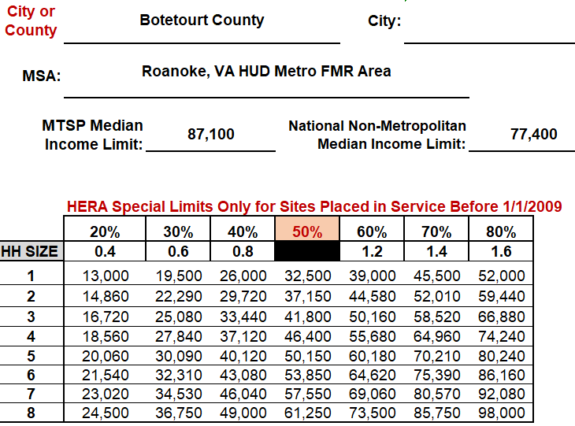
The form only allows information to be entered in the highlighted areas. The City/ County section is the only highlighted section that must be completed. Click in the "Select City or County" box to find your property location.

Click in the dropdown box. Use the arrow to see all areas in alphabetical order. Once you select the drop down box, type one letter, use the down arrow on your keyboard, or use the scroll bar to go through the areas in the list.

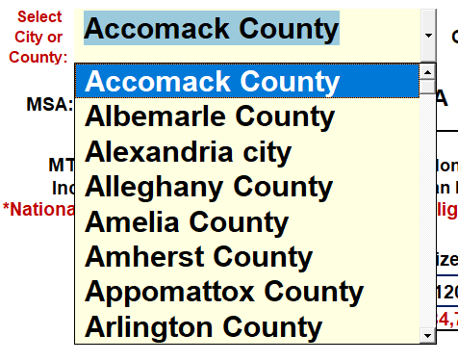

Once the location is selected, the form will populate the Median Income Limit and the National Non-Metropolitan Income Limit.

If the MTSP Median Income Limit is less than the National Non-Metropolitan Income Limit, the limit will appear highlighted on the form.

NOTE: The National Non-Metropolitan limits cannot be applied in a project without confirmation that the project is located in a rural area on the USDA Eligibility website. These areas are subject to change. Annual confirmation is required.

The form also includes the approved Not Adjusted for Family Size (not-AFS) Virginia Housing Loan Program Income Limits for the selected area.

Virginia Housing's income limits chart uses the MTSP Income Limits and the MTSP Income Averaging data from the HUD User website.

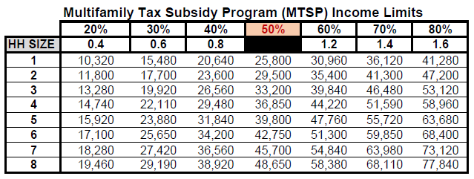

This section is used to review the rent including utility allowance estimates for each bedroom size. Any information entered in this section will reduce the calculated gross rent in all applicable rent charts in the form.

Page 2 cannot be edited

The second page populates the HERA Special Limits for eligible areas on a separate page. This form is auto-populated from the information on the first page and cannot be edited.

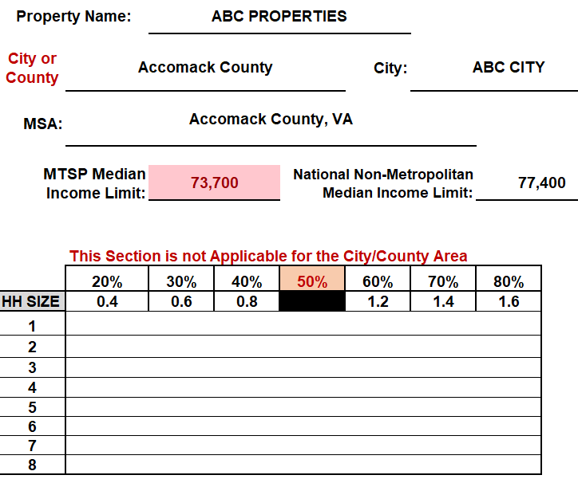
If your property is not in a HERA Special eligible area, this page will be blank, and only page 1 should be printed with the current MTSP limits for the area.

If your area is eligible, the HERA Special income and rent limits will automatically populate. Otherwise, this page will be blank.

